Misc
Address Structure

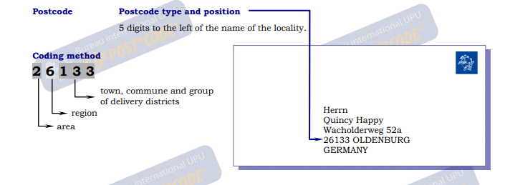

A normal address:
Herrn ["to Mr." (form of address)]
Eberhard Wellhausen [name]
Wittekindshof [institution / company name]
Schulstrasse 4 [street address]
32547 Bad Oyenhausen [postal code + city/town]

A PO Box ("Postfach") type of address:
Firma ["company"]
Wellhausen [company's name]
Postfach 10 01 65 ["PO Box" + its number]
32547 Bad Oyenhausen [postal code + city/town]
GERMANY [country]

